Page 1
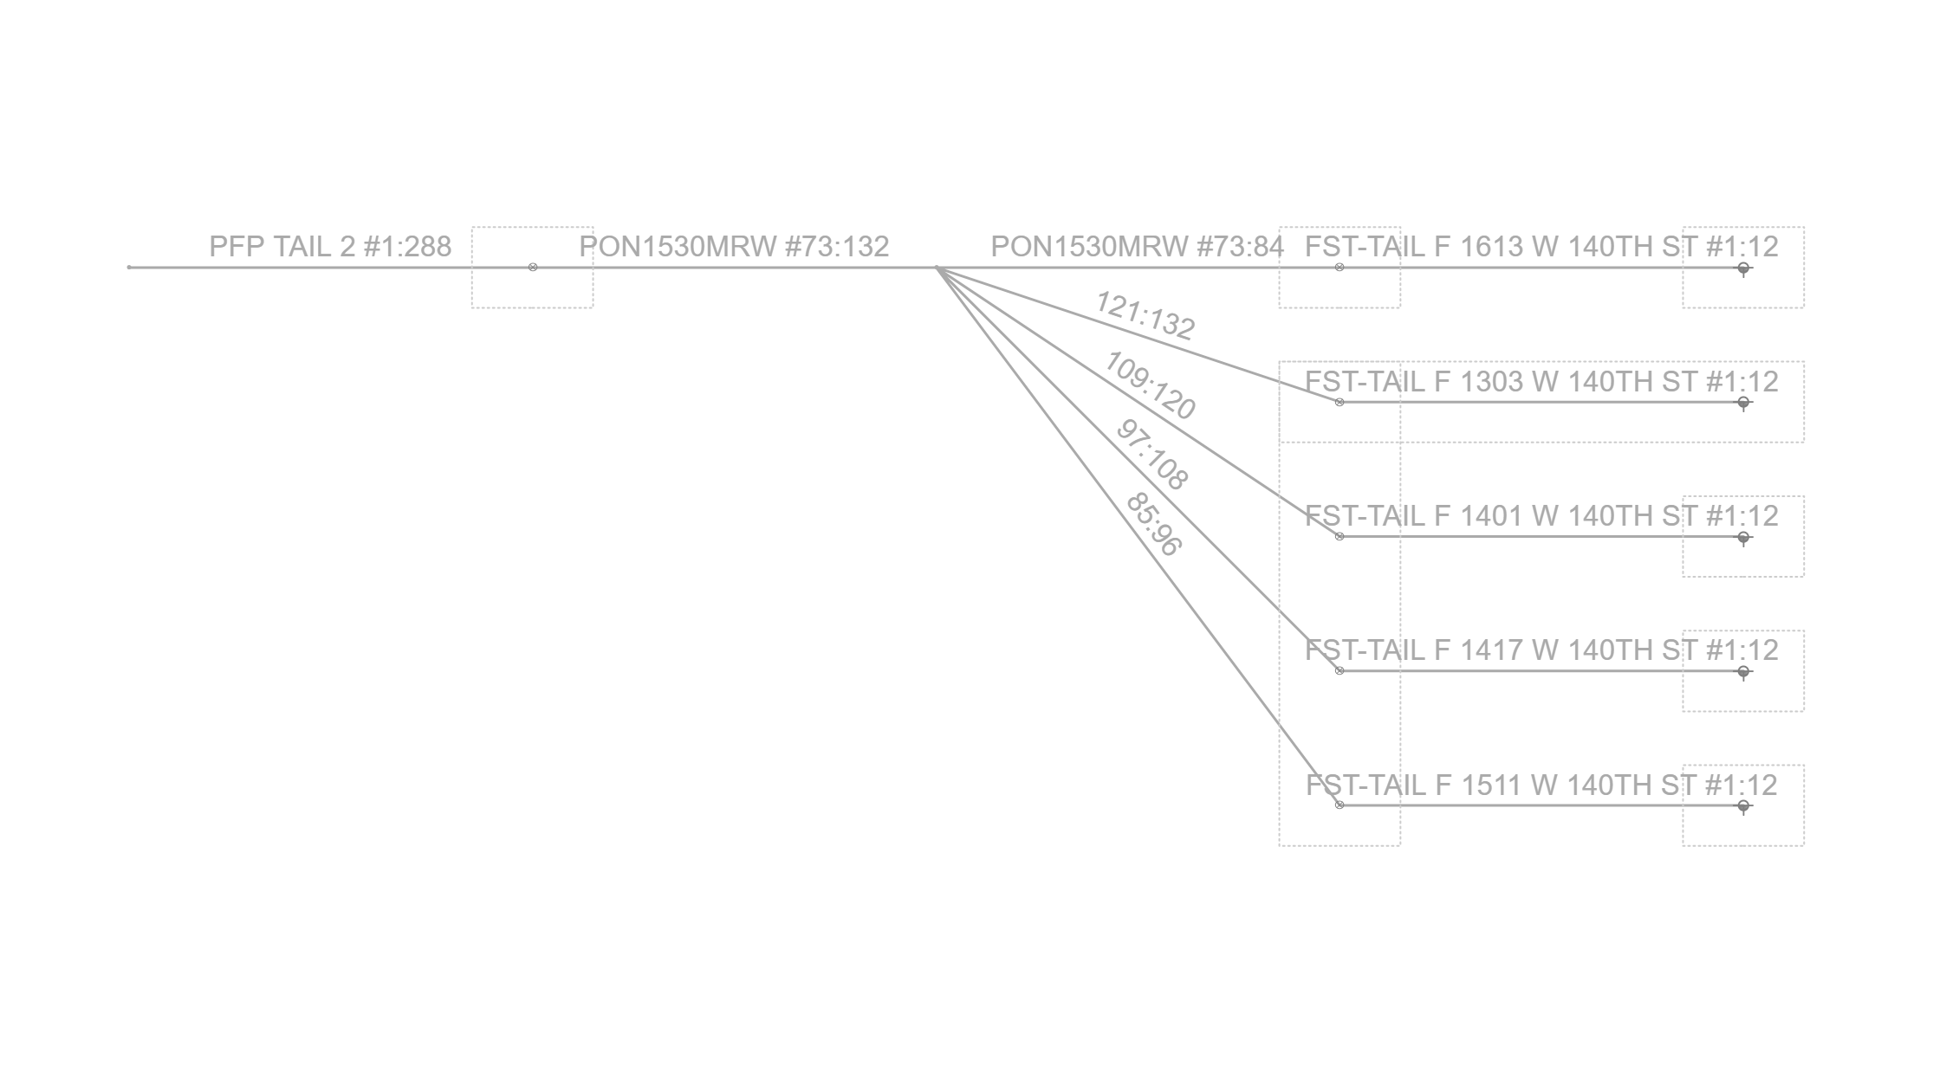
Fiber Trace Report
Cable: PFP TAIL 2 (288)
Fibers: #1:288
Design: PSA-4113PA-BRVLMNYF-CHARLIE
Date: 12/2/2025

